How to use NPS Calculator Excel
 |  | NPS Calculator Excel Template

1 | For using the template in Google Sheets, you can make a copy of it. ‘File’> Make a copy

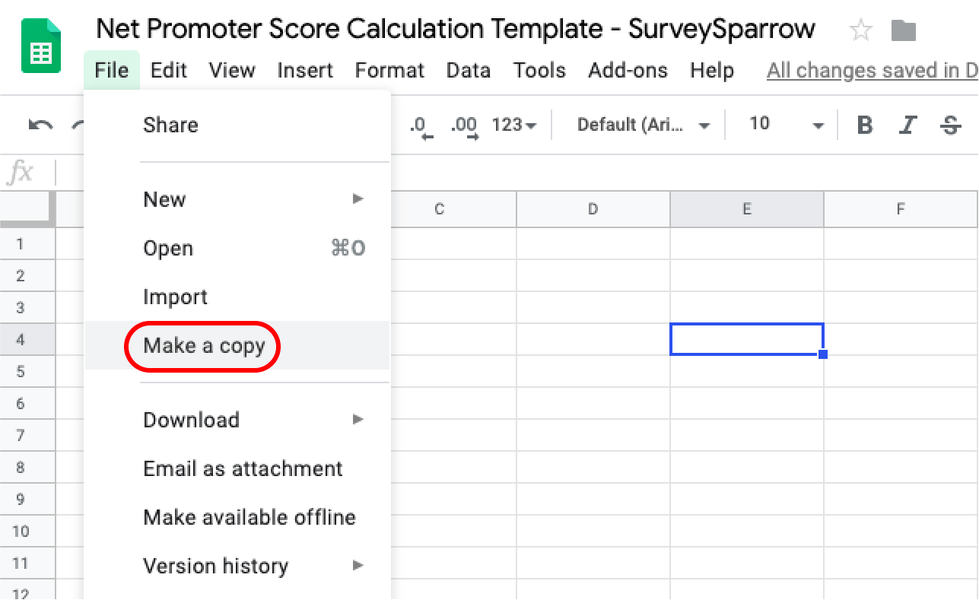

2 | You can also download the template in .XLS: ‘File’> Download as >.xlsx

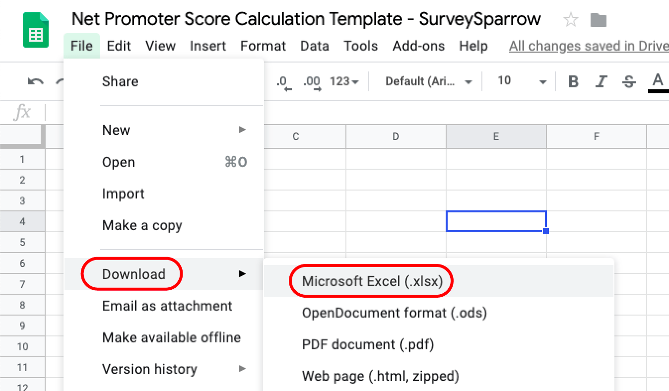

 | You can also refer to the article for more information.

